Sheet1
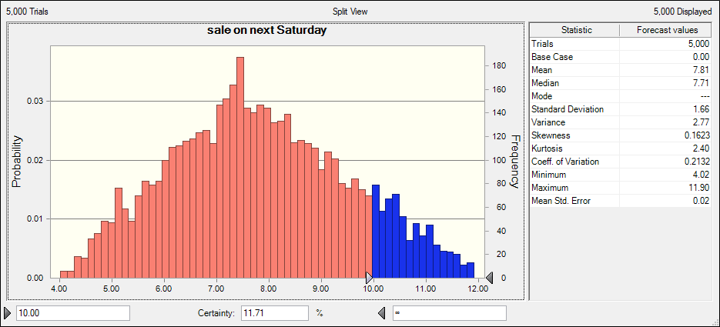
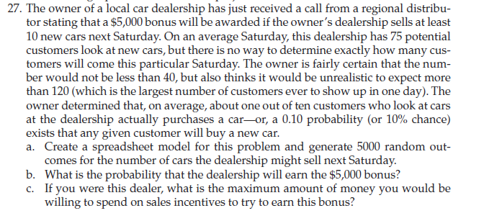

customer | 0 | 40 | 75 | 120
probability of buying car | 10%

sale on next Saturday | 0

